Functional Block Diagram
Connector
DF40HC(3.5)-50DS-0.4V(51)
Receptacle

SOC
Sensor
Shutter
Connector
DF40C-50DP-0.4V（51）
plug
640 Module

Digital Power Supply:+3.3V
Digital Power Supply:VDD05
Video Output:DVP
Command:I2C/UART

Pin Descriptions
连接器：DF40C-50DP-0.4V（51）；Hirose;0.4mm pitch;50pin;公头(详细描述) | No. | NAME | VOLTAGE | Fonction 1 |  |  |  | Notes | Fonction 2 |  |  |  | Notes
 |  |  |  | I/O Type | Group | Description | Recommended Connection |  | I/O Type | Group | Description | Recommended Connection
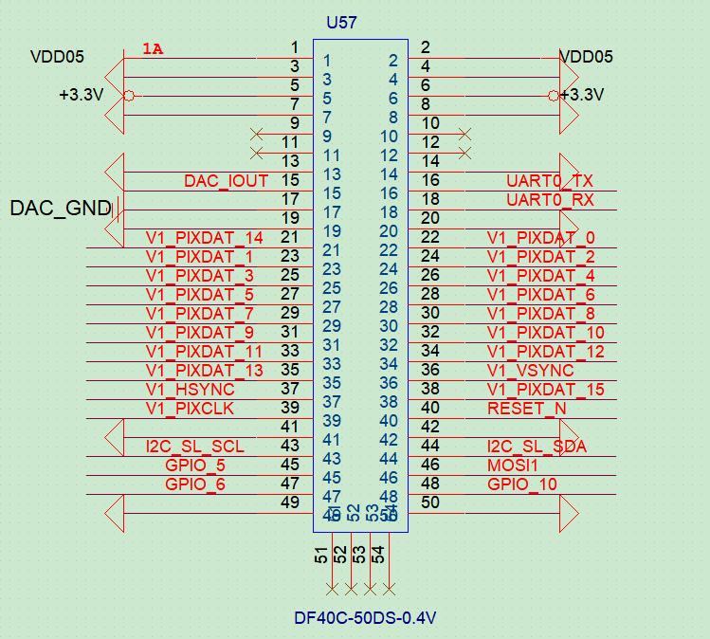 | 1 | VDD05 | 5V | P_IN | POWER | Digital Power Supply | Connect to Digital Power Supply:VDD05
 | 2 | VDD05 | 5V | P_IN | POWER | Digital Power Supply | Connect to Digital Power Supply:VDD05
 | 3 | DGND | / | G | DGND | DGND | Connect to DGND
 | 4 | DGND | / | G | DGND | DGND | Connect to DGND
 | 5 | +3.3V | 3.3V | P_IN | POWER | Digital Power Supply | Connect to Digital Power Supply:+3.3V
 | 6 | +3.3V | 3.3V | P_IN | POWER | Digital Power Supply | Connect to Digital Power Supply:+3.3V
 | 7 | DGND | / | G | DGND | DGND | Connect to DGND
 | 8 | DGND | / | G | DGND | DGND | Connect to DGND
 | 9 |  |  | NC | NC | No connection | Leave floating
 | 10 |  |  | NC | NC | No connection | Leave floating
 | 11 |  |  | NC | NC | No connection | Leave floating
 | 12 |  |  | NC | NC | No connection | Leave floating
 | 13 | DGND | / | G | DGND | DGND | Connect to DGND
 | 14 | DGND | / | G | DGND | DGND | Connect to DGND
 | 15 | DAC_IOUT | / | O | / | PAL output | /
 | 16 | UART0_TX | 3.3V | O_PU | UART | Reserved UART ：TXD | Connect to UART inerface:RXD; Leave floating
 | 17 | DAC_GND | / | G | GND | DAC_GND | Connect to DAC_GND
 | 18 | UART0_RX | 3.3V | O_PU | UART | Reserved UART：RXD | Connect to UART inerface:TXD; Leave floating
 | 19 | DGND | / | G | DGND | DGND | Connect to DGND
 | 20 | DGND | / | G | DGND | DGND | Connect to DGND
 | 21 | V1_PIXDAT_14 | 3.3V | O_PD | DVP | Video Output DVP Signal:DATA14 | Connect to DVP interface:DATA14 | If there are only 8 bits, the higher 8 bits are preferred (V1_PIXDAT_8-V1_PIXDAT_15) （Impedance of 50 Ω） | O_PD | BT656 | Video Output BT656 Signal:DATA6 | Connect to BT656 interface:DATA6
 | 22 | V1_PIXDAT_0 | 3.3V | O_PD | DVP | Video Output DVP Signal:DATA0 | Connect to DVP interface:DATA0
 | 23 | V1_PIXDAT_1 | 3.3V | O_PD | DVP | Video Output DVP Signal:DATA1 | Connect to DVP interface:DATA1
 | 24 | V1_PIXDAT_2 | 3.3V | O_PD | DVP | Video Output DVP Signal:DATA2 | Connect to DVP interface:DATA2
 | 25 | V1_PIXDAT_3 | 3.3V | O_PD | DVP | Video Output DVP Signal:DATA3 | Connect to DVP interface:DATA3
 | 26 | V1_PIXDAT_4 | 3.3V | O_PD | DVP | Video Output DVP Signal:DATA4 | Connect to DVP interface:DATA4
 | 27 | V1_PIXDAT_5 | 3.3V | O_PD | DVP | Video Output DVP Signal:DATA5 | Connect to DVP interface:DATA5
 | 28 | V1_PIXDAT_6 | 3.3V | O_PD | DVP | Video Output DVP Signal:DATA6 | Connect to DVP interface:DATA6
 | 29 | V1_PIXDAT_7 | 3.3V | O_PD | DVP | Video Output DVP Signal:DATA7 | Connect to DVP interface:DATA7
 | 30 | V1_PIXDAT_8 | 3.3V | O_PD | DVP | Video Output DVP Signal:DATA8 | Connect to DVP interface:DATA8 |  | O_PD | BT656 | Video Output BT656 Signal:DATA0 | Connect to BT656 interface:DATA0
 | 31 | V1_PIXDAT_9 | 3.3V | O_PD | DVP | Video Output DVP Signal:DATA9 | Connect to DVP interface:DATA9 |  | O_PD | BT656 | Video Output BT656 Signal:DATA1 | Connect to BT656 interface:DATA1
 | 32 | V1_PIXDAT_10 | 3.3V | O_PD | DVP | Video Output DVP Signal:DATA10 | Connect to DVP interface:DATA10 |  | O_PD | BT656 | Video Output BT656 Signal:DATA2 | Connect to BT656 interface:DATA2
 | 33 | V1_PIXDAT_11 | 3.3V | O_PD | DVP | Video Output DVP Signal:DATA11 | Connect to DVP interface:DATA11 |  | O_PD | BT656 | Video Output BT656 Signal:DATA3 | Connect to BT656 interface:DATA3
 | 34 | V1_PIXDAT_12 | 3.3V | O_PD | DVP | Video Output DVP Signal:DATA12 | Connect to DVP interface:DATA12 |  | O_PD | BT656 | Video Output BT656 Signal:DATA4 | Connect to BT656 interface:DATA4
Images | 35 | V1_PIXDAT_13 | 3.3V | O_PD | DVP | Video Output DVP Signal:DATA13 | Connect to DVP interface:DATA13 |  | O_PD | BT656 | Video Output BT656 Signal:DATA5 | Connect to BT656 interface:DATA5
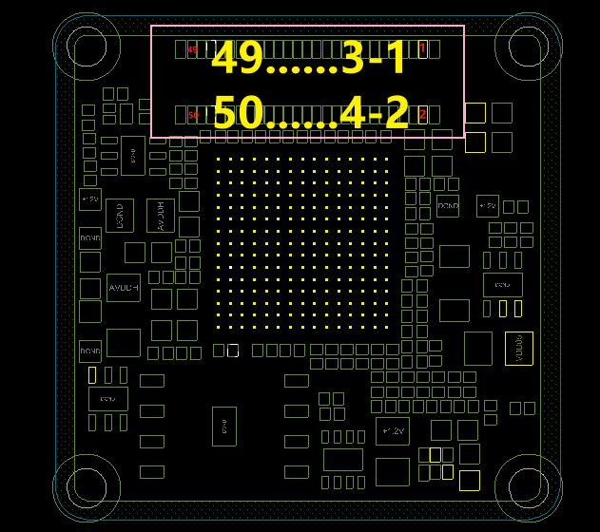 | 36 | V1_VSYNC | 3.3V | O_PD | DVP | Video Output DVP Signal:VSYNC | Connect to DVP interface:VSYNC
 | 37 | V1_HSYNC | 3.3V | O_PD | DVP | Video Output DVP Signal:HSYNC | Connect to DVP interface:HSYNC
 | 38 | V1_PIXDAT_15 | 3.3V | O_PD | DVP | Video Output DVP Signal:DATA15 | Connect to DVP interface:DATA15 |  | O_PD | BT656 | Video Output BT656 Signal:DATA7 | Connect to BT656 interface:DATA7
 | 39 | V1_PIXCLK | 3.3V | O_PD | DVP | Video Output DVP Signal:CLK | Connect to DVP interface:CLK |  | O_PD | BT656 | Video Output BT656 Signal:CLK | Connect to BT656 interface:CLK
 | 40 | RESET_N | 3.3V | P_IN | RESET | Reset signal for SOC | Connect to Reset Control PIN;Active low; Leave floating if unused Reset after power supply stabilizes
 | 41 | DGND | / | G | DGND | DGND | Connect to DGND
 | 42 | DGND | / | G | DGND | DGND | Connect to DGND
 | 43 | I2C_SL_SCL | 3.3V | I_PU | I2C | I2C Slave:CLK | Connect to I2C Master:CLK; No pull up resistor is required
 | 44 | I2C_SL_SDA | 3.3V | I_PU/O | I2C | I2C Slave:DATA | Connect to I2C Master:DATA; No pull up resistor is required
 | 45 | GPIO_5 | 3.3V | I_PD/O | GPIO | Reserved GPIO | Leave floating if unused | EXT_SYNC(Customer)
 | 46 | MOSI1 | 3.3V | I | RESET | Burning Firmware | Active low; Please Ignore!Leave floating
 | 47 | GPIO_8 | 1.8V | I_PD/O | GPIO | Reserved GPIO | Leave floating if unused
 | 48 | GPIO_10 | 1.8V | I_PD/O | GPIO | Reserved GPIO | Leave floating if unused
 | 49 | DGND | / | G | DGND | DGND | Connect to DGND
 | 50 | DGND | / | G | DGND | DGND | Connect to DGND
 | 51 | NC | / | NC | NC | No connection | Please Ignore!It only exists on the plug
 | 52 | NC | / | NC | NC | No connection | Please Ignore!It only exists on the plug
 | 53 | NC | / | NC | NC | No connection | Please Ignore!It only exists on the plug
 | 54 | NC | / | NC | NC | No connection | Please Ignore!It only exists on the plug

Power Sequence
POWER ON Sequence
VDD05 、+3.3V
RESET_N
≥20ms
POWER Down Sequence
VDD05 、+3.3V
RESET_N
≥20ms

